ScreenShots
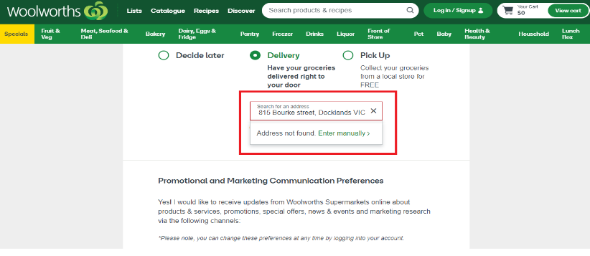
SS # | Defect # | Screen shot img
SS1 | DF1

SS2 | DF2

SS3 | DF3

